Sheet1
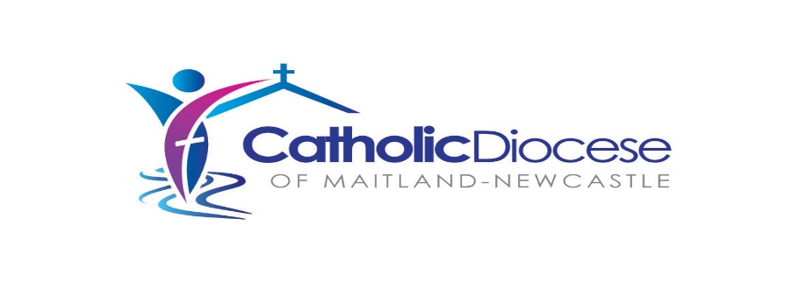

So you wish to be a parish leader - try this quick quiz
Generally before Diaconate and after leaving seminary
No. | WHAT (COMPETENCY) | HOW | RESOURCES (SOPS) | PERSON TO CONTACT
1 | Participation in Seminary Pastroal Placement |  |  | Rector
2 | Registers - Sacraments | Practicum - Fill it in | Fake - practice - books | Chancellor
3 | Registers - Sacraments | Practicum - Fill it in | Padre | Chancellor
4 | Who to ask for help from | Understand the issue | Who's Who contact list | Head HR
5 | Who to ask for help from | Meet and Greet | Time | Chancellor
6 | Celebrateing Diaconal liturgies | Practium | dry runs | VG
7 | Getting a Mentor | Discussion | policy | Chancellor
8 | Participating in the Presbyterate | Discussion | policy | CLAM
9
10
Yourself- First semester after Diaconate
No. | WHAT (COMPETENCY) | HOW | RESOURCES (SOPS) | PERSON TO CONTACT
11 | Work/life balance | Continual Professional Development - Website | Online - Intranet
12 | CPD process and Expectations | Face to face | Sharepoint | Chancellor
13 | Dificult conversations | Training - Role plays | HR Department | Head HR
14 | Celebrateing Priestly liturgies | Practium | dry runs | VG
15 | Expectations of a Parish Leader | Workshops |  | Director Pastoral
16 | Issues around Confession | Workshops | reading material | Chancellor
17 | Parish Leadership in DoMN | Workshops | reading material PC Fc PT | Chancellor, et al
18 | How to take advice and collaborate with advisory/consultative bodies
19
People - Second semester after Diaconate
No. | WHAT (COMPETENCY) | HOW | RESOURCES (SOPS) | PERSON TO CONTACT
20 | People management - Employees | Webinar - Inservice | HR Department | Head HR
21 | Safeguarding - expectations | Webinar - Face to Face | Safeguarding Team | Director Safeguarding
22 | Boundaries - Conflicts of interest | Workshops/training
23 | HR policy procedures | Webinar - Face to Face | HR Department | Head HR
24 | Aus - Employment culture - Legislation | Workshops? | HR Department | Head HR
25 | Coping with angry people
26 | Being on an Interview panel | Webinar - Face to Face | HR Department | Head HR
27 | Parish planning and change and how new leadership engages
Systems - Third semester after Diaconate
No. | WHAT (COMPETENCY) | HOW | RESOURCES (SOPS) | PERSON TO CONTACT
28 | Finance - Xero | Practicum - Doing it | Fake - Xero - manual | Head Finance
29 | Collaborate leadership | Workshops? | LSI + Z - Dio past plan | Director Pastoral
30 | Contract management | Templates and training | Templates | Head HR
31 | Technology |  | IT team | Head Tech Services
32 | Safety - Workplace | Utilise Dio system | HR Business Partners | Manager
33 | NESSA | Workshops | HR - How often renew comp? | Head HR
34 | Parish and Directorate relationships | Workshops |  | Manager Strat Change
35 | Diocesian Faculties | Workshops |  | Chancellor
36 | MCCF | Workshops |  | MCCF Chair
37 | Keeping records |  |  | Head Admin Services
38 | Pastroal Governance | youtube

 | Video 1: Exploring Best Practices of Pastoral Governance – The Why and Who: https://youtu.be/SLDjHpDNAn4 (10 mins)
 | Video 2: Exploring Best Practices of Pastoral Governance – The What and How: https://www.youtube.com/watch?v=Vcb_xnGzUZU (12 mins)
 | Video 3: Exploring Best Practices of Pastoral Governance – The Maitland-Newcastle Story: https://www.youtube.com/watch?v=8nyOm-keLHA&feature=youtu.be (12 mins)
 | Video 4: Exploring Best Practices of Pastoral Governance – The Christchurch Story: https://www.youtube.com/watch?v=xlDH-ZUfV_o (13 mins)
 | https://catholic.org.au/governance
 | www.tinyurl.com/oceaniawebinaroct20

 | Rev Matthew Muller
 | Chancellor

 | 1 August 2022

